EDA
1. EDA

Returns Distribution Statistics
 | count | mean | std | min | 25% | 50% | 75% | max | skewness | kurtosis
HDFCBANK.NS | 1321 | 0.020352580393 | 1.3652467297 | -8.4358218417 | -0.67529051371 | 0.015355620682 | 0.70230521205 | 10.013288998 | 0.061071286768 | 5.1739284942
TCS.NS | 1321 | 0.0037068823067 | 1.3446498991 | -7.0132994682 | -0.69849600496 | -0.029493553552 | 0.70707660178 | 6.6327825484 | -0.064238314966 | 2.7401533564
SUNPHARMA.NS | 1321 | 0.09892690453 | 1.335466914 | -4.5527023012 | -0.65617506805 | 0.061814779476 | 0.78863286096 | 10.092454533 | 0.5922137014 | 4.0395878014
ITC.NS | 1321 | 0.055917969835 | 1.2938422194 | -9.7146383501 | -0.62327615764 | 0 | 0.76920904297 | 6.8287012776 | 0.00063192064036 | 5.0632961049
EICHERMOT.NS | 1321 | 0.09749173165 | 1.677035025 | -6.8036794164 | -0.81999989904 | 0 | 0.99858607282 | 8.6545409482 | 0.41985079796 | 2.3509775037
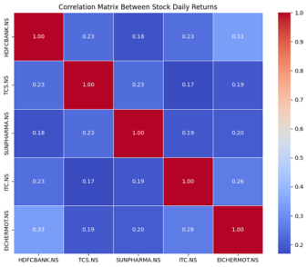

Correlation Matrix Between Stock Daily Returns
 | HDFCBANK.NS | TCS.NS | SUNPHARMA.NS | ITC.NS | EICHERMOT.NS
HDFCBANK.NS | 1 | 0.23309815126 | 0.18202905943 | 0.23380435892 | 0.33154722783
TCS.NS | 0.23309815126 | 1 | 0.23063810444 | 0.16880261259 | 0.19185365166
SUNPHARMA.NS | 0.18202905943 | 0.23063810444 | 1 | 0.19153729709 | 0.19827557937
ITC.NS | 0.23380435892 | 0.16880261259 | 0.19153729709 | 1 | 0.26256886912
EICHERMOT.NS | 0.33154722783 | 0.19185365166 | 0.19827557937 | 0.26256886912 | 1

Dashboard
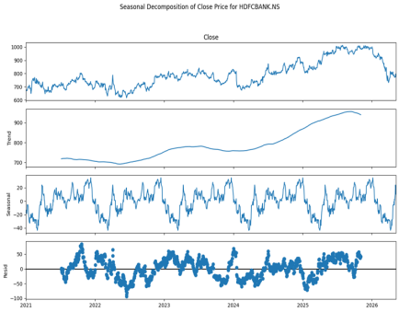
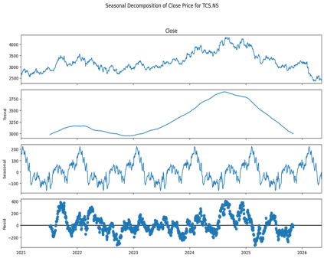
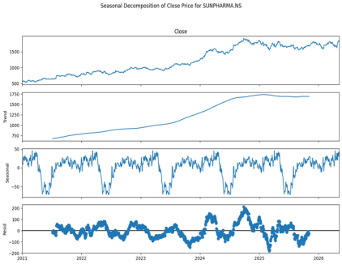
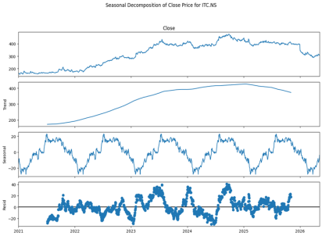
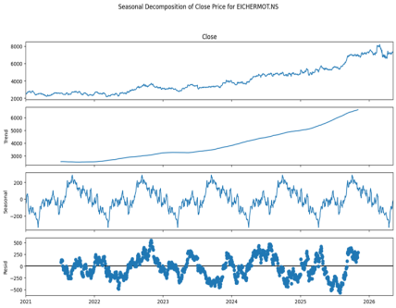
STOCK PRICE FROM 2021 TO 2026 |  | Corelation of all companies

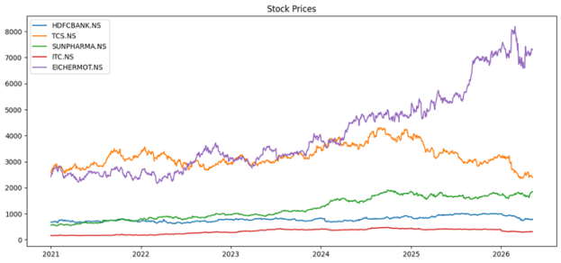

ROLLING VOLATILITY OF EACH COMPANY

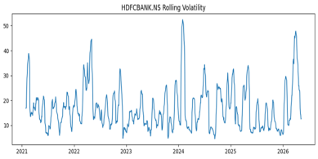
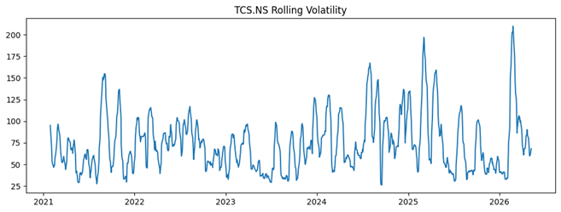
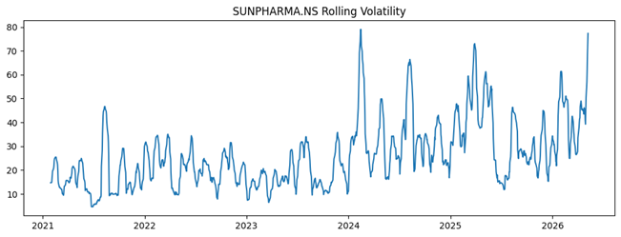

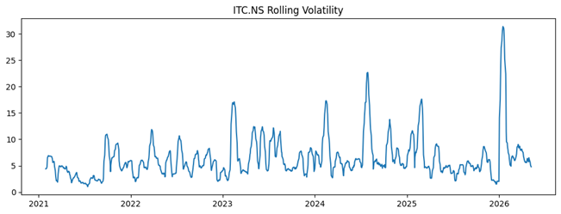
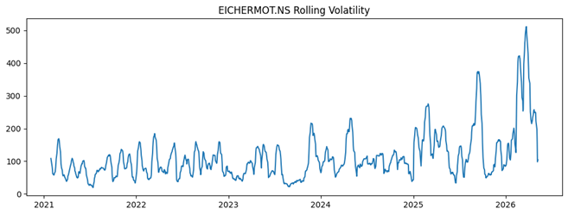

Plotting Actual vs. Predicted (ARIMA Model)

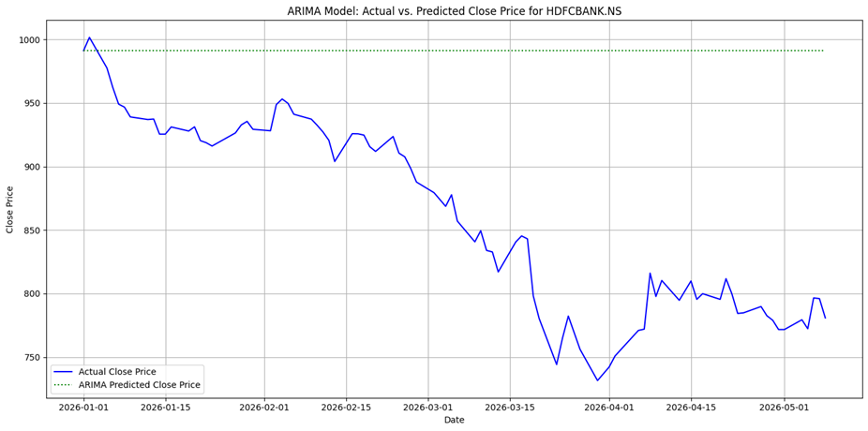
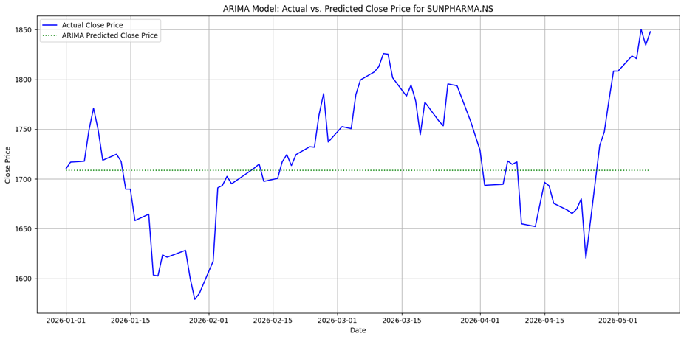
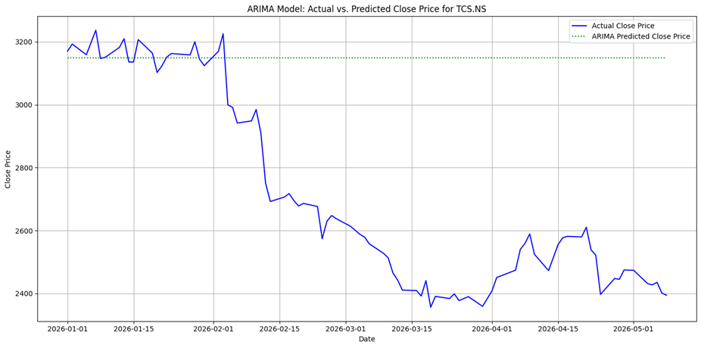

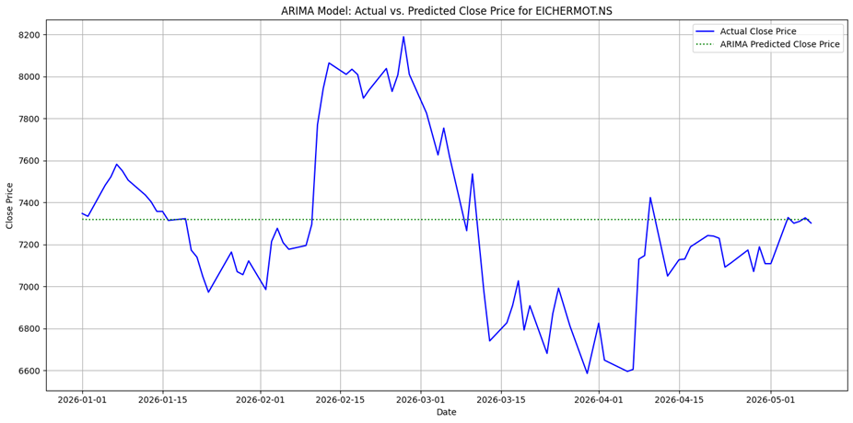
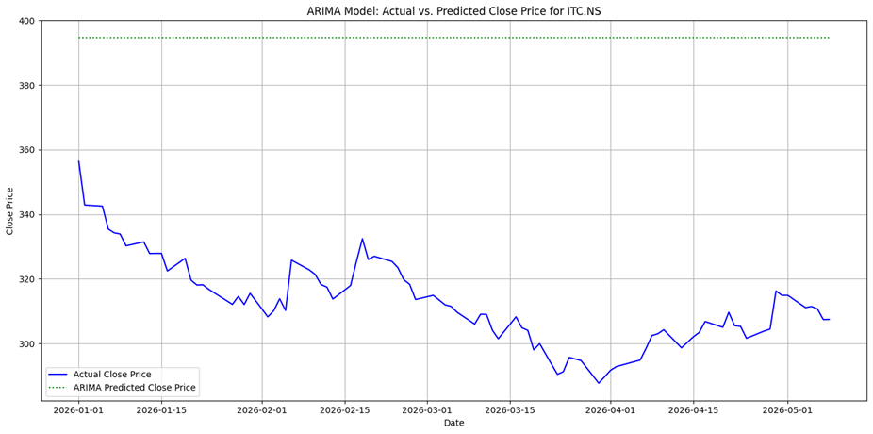

Plotting Actual vs. Predicted (PROPHET Model)

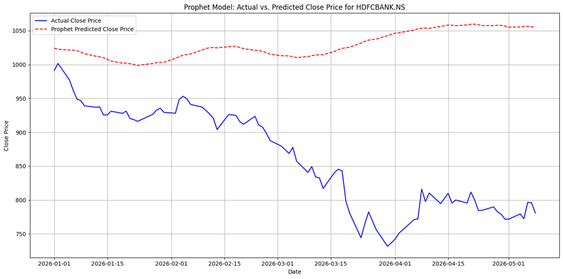
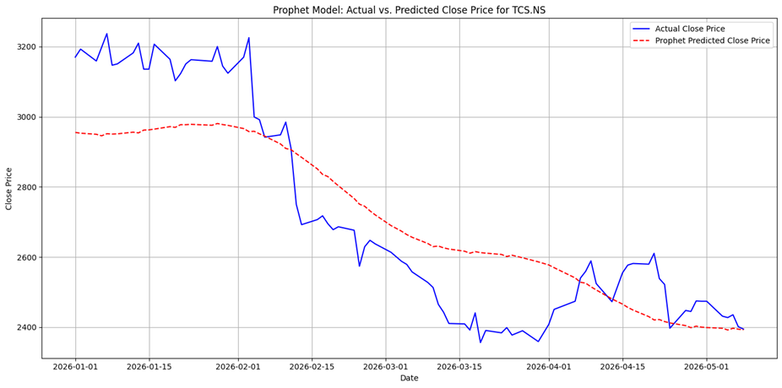
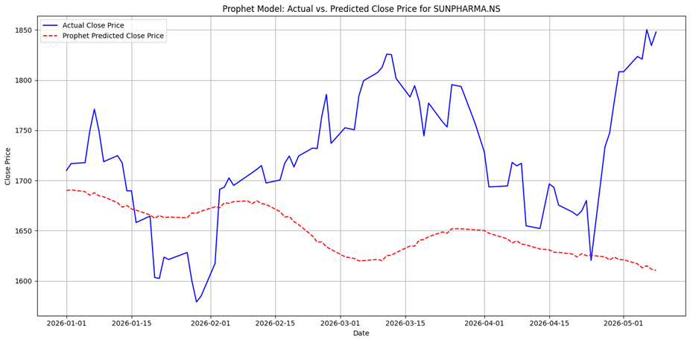

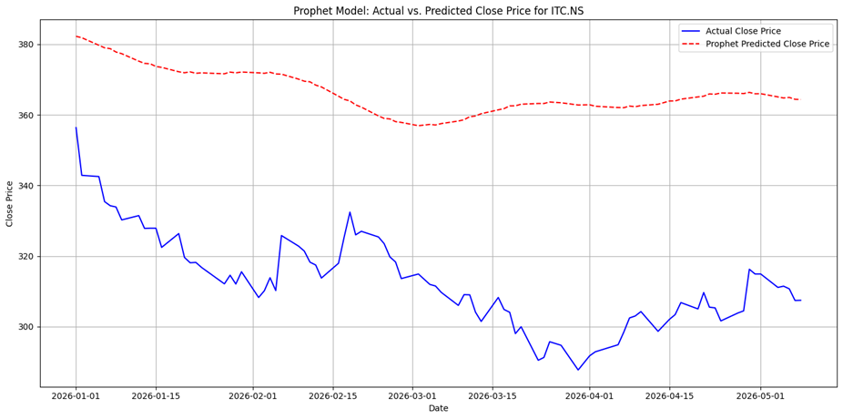
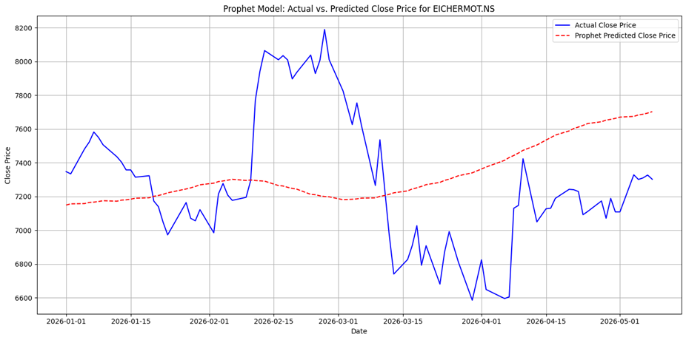

Plotting Actual vs. Predicted (Holt-Winters Exponential Smoothing Model)

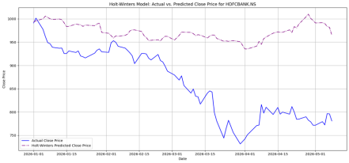
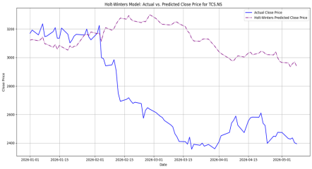
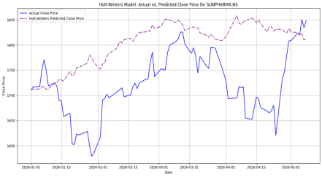

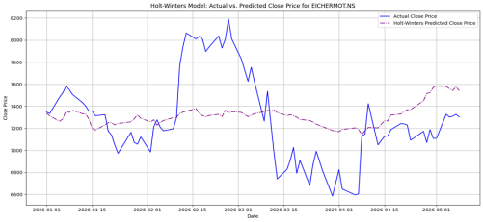
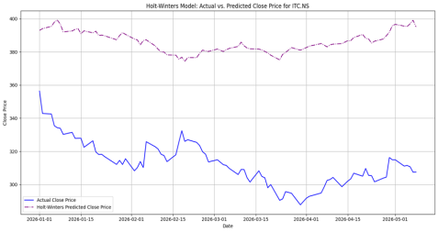

 | SEASONAL DECOMPOSITION

